Catchments
Total catchment |  |  |  |  | Catchment Sorocaba river |  |  |  |  | Catchment Paruru
gridcode | area sq m | Land use | area sq km | % | gridcode | area sq m |  | area sq km | % | gridcode | area sq m |  | area sq km | % |  | All | Sorocaba river | Paruru | Ressaca | Campo Verde | Inflow 5 | Inflow 6 | Inflow 7 | Inflow 8 | Inflow 9
7 | 366100909.19 | grass/pasture | 366.1 | 39.2 | 7 | 270666575.3 | grass/pasture | 270.7 | 39.9 | 7 | 9376052.8866 | grass/pasture | 9.4 | 42.3 | Grass/pasture | 39.2 | 39.9 | 42.3 | 37.0 | 33.0 | 45.5 | 73.8 | 66.5 | 59.5 | 30.1
10 | 70134020.255 | urbanised | 70.1 | 7.5 | 10 | 53288591.2 | urbanised | 53.3 | 7.8 | 10 | 1783594.3778 | urbanised | 1.8 | 8.0 | Urbanised | 7.5 | 7.8 | 8.0 | 5.4 | 5.5 | 4.5 | 4.6 | 8.9 | 5.3 | 1.8
8 | 129739194.99 | Agriculture | 129.7 | 13.9 | 8 | 91370699.923 | Agriculture | 91.4 | 13.5 | 8 | 5401763.7649 | Agriculture | 5.4 | 24.4 | Agriculture | 13.9 | 13.5 | 24.4 | 23.8 | 19.6 | 15.2 | 3.4 | 7.4 | 6.7 | 10.6
4 | 8327423.7934 | Silviculture | 8.3 | 0.9 | 4 | 2799141.6562 | Silviculture | 2.8 | 0.4 | 4 | 94071.982937 | Silviculture | 0.1 | 0.4 | Silviculture | 0.9 | 0.4 | 0.4 | 0.3 | 0.3 | 1.6 | 0.4 | 0.3 | 5.7 | 31.7
6 | 339890969.76 | forest | 339.9 | 36.4 | 6 | 260926511.75 | forest | 260.9 | 38.4 | 6 | 5477850.325 | forest | 5.5 | 24.7 | Forest | 36.4 | 38.4 | 24.7 | 33.1 | 41.5 | 33.1 | 16.5 | 16.8 | 22.7 | 24.9
3 | 19350714.654 | water | 19.4 | 2.1 | 3 | 60121.603826 | water | 0.1 | 0.0 | 3 | 50395.753284 | water | 0.1 | 0.2
Sum | 933543232.6 | Sum | 933.5 | 100.0 | Sum |  | Sum | 679.1 | 100.0 | Sum |  | Sum | 22.2 | 100.0
Land use per catchment

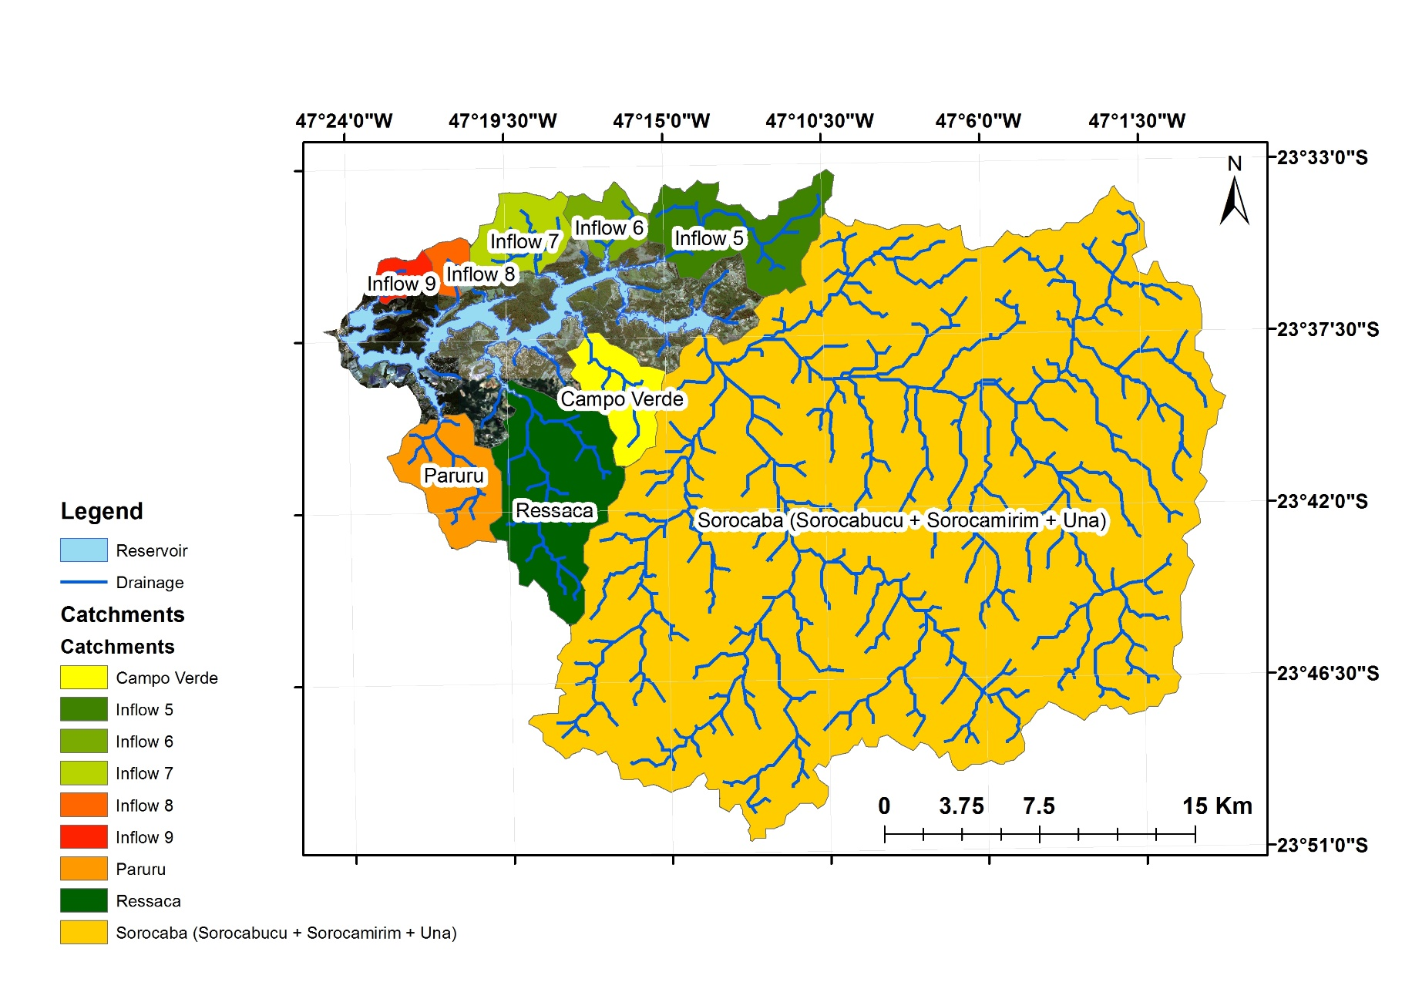
Catchment Ressaca |  |  |  |  |  |  |  |  |  | Catchment Campo Verde
gridcode | area sq m |  | area sq km | % |  |  |  |  |  | gridcode | area sq m |  | area sq km | %
7 | 17483139.807 | grass/pasture | 17.5 | 37.0 |  |  |  |  |  | 7 | 5588322.8268 | grass/pasture | 5.6 | 33.0
10 | 2560773.238 | urbanised | 2.6 | 5.4 |  |  |  |  |  | 10 | 929771.25754 | urbanised | 0.9 | 5.5
8 | 11258999.093 | Agriculture | 11.3 | 23.8 |  |  |  |  |  | 8 | 3313735.1876 | Agriculture | 3.3 | 19.6
4 | 154409.614 | Silviculture | 0.2 | 0.3 |  |  |  |  |  | 4 | 56342.014396 | Silviculture | 0.1 | 0.3
6 | 15628179.236 | forest | 15.6 | 33.1 |  |  |  |  |  | 6 | 7035685.342 | forest | 7.0 | 41.5
3 | 192362.27513 | water | 0.2 | 0.4 |  |  |  |  |  | 3 | 19961.949633 | water | 0.0 | 0.1
Sum |  | Sum | 47.3 | 100.0 |  |  |  |  |  | Sum |  | Sum | 16.9 | 100.0

 |  |  |  |  |  |  |  |  |  |  |  |  |  |  |  | All | Sorocaba river | Paruru | Ressaca | Campo Verde | Inflow 5 | Inflow 6 | Inflow 7 | Inflow 8 | Inflow 9
Catchment Inflow 5 |  |  |  |  |  |  |  |  |  | Catchment Inflow 6 |  |  |  |  | Grass/pasture | 366.1 | 270.7 | 9.4 | 17.5 | 5.6 | 13.8 | 7.1 | 66.5 | 2.5 | 1.4
gridcode | area sq m |  | area sq km | % |  |  |  |  |  | gridcode | area sq m |  | area sq km | % | Urbanised | 70.1 | 53.3 | 1.8 | 2.6 | 0.9 | 1.4 | 0.4 | 8.9 | 0.2 | 0.1
7 | 13788831.366 | grass/pasture | 13.8 | 45.5 |  |  |  |  |  | 7 | 7104609.6459 | grass/pasture | 7.1 | 73.8 | Agriculture | 129.7 | 91.4 | 5.4 | 11.3 | 3.3 | 4.6 | 0.3 | 7.4 | 0.3 | 0.5
10 | 1361102.132 | urbanised | 1.4 | 4.5 |  |  |  |  |  | 10 | 445495.67565 | urbanised | 0.4 | 4.6 | Silviculture | 8.3 | 2.8 | 0.1 | 0.2 | 0.1 | 0.5 | 0.0 | 0.3 | 0.2 | 1.5
8 | 4592224.913 | Agriculture | 4.6 | 15.2 |  |  |  |  |  | 8 | 324155.73712 | Agriculture | 0.3 | 3.4 | Forest | 339.9 | 260.9 | 5.5 | 15.6 | 7.0 | 10.0 | 1.6 | 16.8 | 0.9 | 1.2
4 | 497971.74478 | Silviculture | 0.5 | 1.6 |  |  |  |  |  | 4 | 36224.192608 | Silviculture | 0.0 | 0.4
6 | 10023445.288 | forest | 10.0 | 33.1 |  |  |  |  |  | 6 | 1585033.301 | forest | 1.6 | 16.5
Land use per catchment (per area)
 | Grass/pasture | Urbanised | Agriculture | Silviculture | Forest
Sorocaba river | 9.4 | 53.3 | 91.4 | 2.8 | 260.9
Paruru | 17.5 | 1.8 | 5.4 | 0.1 | 5.5
Ressaca | 5.6 | 2.6 | 11.3 | 0.2 | 15.6
Campo Verde | 13.8 | 0.9 | 3.3 | 0.1 | 7.0
Inflow 5 | 7.1 | 1.4 | 4.6 | 0.5 | 10.0
Inflow 6 | 66.5 | 0.4 | 0.3 | 0.0 | 1.6
Inflow 7 | 2.5 | 8.9 | 7.4 | 0.3 | 16.8
Inflow 8 | 1.4 | 0.2 | 0.3 | 0.2 | 0.9
Inflow 9 |  | 0.1 | 0.5 | 1.5 | 1.2
3 | 30228.399298 | water | 0.0 | 0.1 |  |  |  |  |  | 3 | 132932.91058 | water | 0.1 | 1.4
Sum | 2583527.2 | Sum | 30.3 | 136.6 |  |  |  |  |  | Sum |  | Sum | 9.6 | 100.0
total area | 30354522.5 |  | 30.4

Catchment Inflow 7 |  |  |  |  | Catchment Inflow 8 |  |  |  |  | Catchment Inflow 9
gridcode | area sq m |  | area sq km | % | gridcode | area sq m |  | area sq km | % | gridcode | area sq m |  | area sq km | %
7 | 10223040.641 | grass/pasture | 10.2 | 66.5 | 7 | 2484983.939 | grass/pasture | 2.5 | 59.5 | 7 | 1406627.1135 | grass/pasture | 1.4 | 30.1
10 | 1373518.004 | urbanised | 1.4 | 8.9 | 10 | 223168.89447 | urbanised | 0.2 | 5.3 | 10 | 83802.441489 | urbanised | 0.1 | 1.8
8 | 1141093.292 | Agriculture | 1.1 | 7.4 | 8 | 277997.91364 | Agriculture | 0.3 | 6.7 | 8 | 497398.73144 | Agriculture | 0.5 | 10.6
4 | 39697.655577 | Silviculture | 0.0 | 0.3 | 4 | 240006.62869 | Silviculture | 0.2 | 5.7 | 4 | 1483298.7349 | Silviculture | 1.5 | 31.7
6 | 2583527.1562 | forest | 2.6 | 16.8 | 6 | 947097.59937 | forest | 0.9 | 22.7 | 6 | 1164598.8075 | forest | 1.2 | 24.9
3 | 13592.477336 | water | 0.0 | 0.1 | 3 | 1495.191647 | water | 0.0 | 0.0 | 3 | 43707.155401 | water | 0.0 | 0.9
Sum |  | Sum | 15.4 | 100.0 | Sum |  | Sum | 4.2 | 100.0 | Sum |  | Sum | 4.7 | 100.0

New_land_use
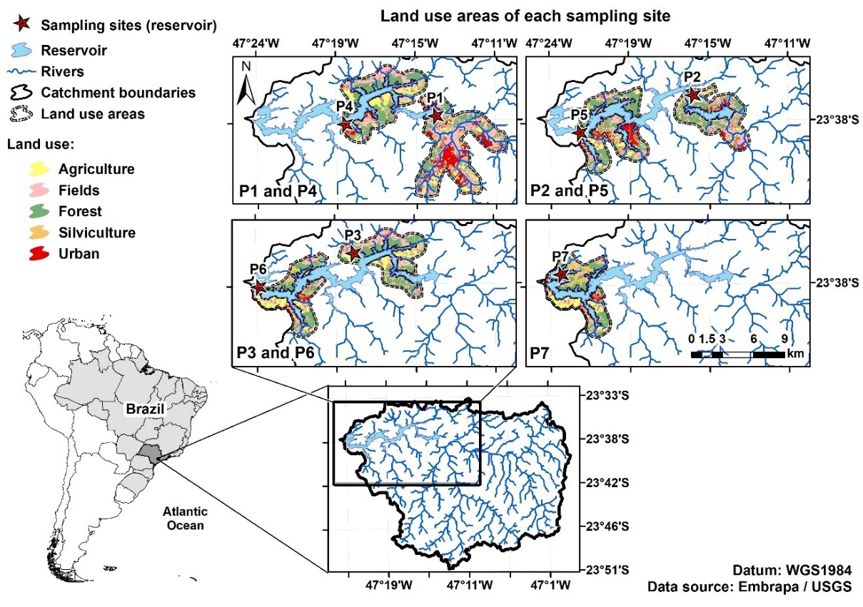
 |  | P1 |  |  |  |  |  | P2
 | total area (km2) | gridcode | area sq m |  | area sq km | % |  | gridcode | area sq m |  | area sq km | % |  | P1 | P2 | P3 | P4 | P5 | P6 | P7
P1 | 44.856 | 7 | 20601152.336 | grass/pasture | 20.6 | 45.9 |  | 7 | 9947699.6636 | grass/pasture | 9.9 | 43.6 | Field | 45.9 | 43.6 | 38.3 | 34.7 | 31.3 | 31.5 | 29.7
P2 | 22.823 | 10 | 8260237.6052 | urbanised | 8.3 | 18.4 |  | 10 | 2018320.2753 | urbanised | 2.0 | 8.8 | Urban | 18.4 | 8.8 | 2.8 | 5.2 | 13.2 | 7.6 | 6.9
P3 | 25.443 | 8 | 5796614.6779 | Agriculture | 5.8 | 12.9 |  | 8 | 2831562.6049 | Agriculture | 2.8 | 12.4 | Agriculture | 12.9 | 12.4 | 14.7 | 15.4 | 12.0 | 18.1 | 17.2
P4 | 30.489 | 4 | 69265.419599 | Silviculture | 0.1 | 0.2 |  | 4 | 261876.58663 | Silviculture | 0.3 | 1.1 | Silviculture | 0.2 | 1.1 | 1.7 | 1.3 | 3.0 | 5.4 | 10.1
P5 | 30.696 | 6 | 10103995.795 | forest | 10.1 | 22.5 |  | 6 | 7728384.7868 | forest | 7.7 | 33.9 | Forest | 22.5 | 33.9 | 42.3 | 43.0 | 39.8 | 36.9 | 35.4
P6 | 21.456 | 3 | 24861.059443 | water | 0.0 | 0.1 |  | 3 | 34775.660485 | water | 0.0 | 0.2
P7 | 23.985 | Sum | 44856126.9 | Sum | 44.9 | 100.0 |  | Sum | 22822619.6 | Sum | 22.8 | 100.0

 |  | P3 |  |  |  |  |  | P4
 |  | gridcode | area sq m |  | area sq km | % |  | gridcode | area sq m |  | area sq km | %
 |  | 7 | 9736637.0239 | grass/pasture | 9.7 | 38.3 |  | 7 | 10594023.737 | grass/pasture | 10.6 | 34.7
 |  | 10 | 712114.42073 | urbanised | 0.7 | 2.8 |  | 10 | 1593668.8375 | urbanised | 1.6 | 5.2
 |  | 8 | 3748722.4264 | Agriculture | 3.7 | 14.7 |  | 8 | 4680629.0882 | Agriculture | 4.7 | 15.4
 |  | 4 | 430184.24026 | Silviculture | 0.4 | 1.7 |  | 4 | 411029.57656 | Silviculture | 0.4 | 1.3
 |  | 6 | 10750219.671 | forest | 10.8 | 42.3 |  | 6 | 13120186.809 | forest | 13.1 | 43.0
 |  | 3 | 65644.607968 | water | 0.1 | 0.3 |  | 3 | 90263.21266 | water | 0.1 | 0.3
 |  | Sum | 25443522.4 | Sum | 25.4 | 100.0 | Method: a buffer area of 1 Km around the reservoir and main inflows was used for definition of the land cover area of each sampling site. This area extended from the sampling site until 8 km upstream of the site. The lower portion of the main inflows were also considered because these areas can contribute significantly to the water quality of some sampling sites Some of the land cover areas in the reservoir are overlapped by others and therefore they are not shown in the map | Sum | 30489801.3 | Sum | 30.5 | 100.0

 |  |  |  |  |  |  |  |  |  |  |  |  |  | Area (km2)
 |  | P5 |  |  |  |  |  | P6 |  |  |  |  |  | P1 | P2 | P3 | P4 | P5 | P6 | P7
 |  | gridcode | area sq m |  | area sq km | % |  | gridcode | area sq m |  | area sq km | % | Field | 20.6 | 9.9 | 9.7 | 10.6 | 9.6 | 6.7 | 7.1
 |  | 7 | 9605495.9153 | grass/pasture | 9.6 | 31.3 |  | 7 | 6743566.9018 | grass/pasture | 6.7 | 31.5 | Urban | 8.3 | 2.0 | 0.7 | 1.6 | 4.1 | 1.6 | 1.7
 |  | 10 | 4065491.7125 | urbanised | 4.1 | 13.2 |  | 10 | 1630861.4518 | urbanised | 1.6 | 7.6 | Agriculture | 5.8 | 2.8 | 3.7 | 4.7 | 3.7 | 3.9 | 4.1
 |  | 8 | 3688662.1277 | Agriculture | 3.7 | 12.0 |  | 8 | 3889810.8901 | Agriculture | 3.9 | 18.1 | Silviculture | 0.1 | 0.3 | 0.4 | 0.4 | 0.9 | 1.2 | 2.4
 |  | 4 | 926243.89131 | Silviculture | 0.9 | 3.0 |  | 4 | 1152782.0101 | Silviculture | 1.2 | 5.4 | Forest | 10.1 | 7.7 | 10.8 | 13.1 | 12.2 | 7.9 | 8.5
 |  | 6 | 12219640.156 | forest | 12.2 | 39.8 |  | 6 | 7905291.7145 | forest | 7.9 | 36.9
 |  | 3 | 185518.01689 | water | 0.2 | 0.6 |  | 3 | 110166.83622 | water | 0.1 | 0.5
 |  | Sum | 30691051.8 | Sum | 30.7 | 100.0 |  | Sum | 21432479.8 | Sum | 21.4 | 100.0

 |  | P7
 |  | gridcode | area sq m |  | area sq km | %
 |  | 7 | 7116887.6477 | grass/pasture | 7.1 | 29.7
 |  | 10 | 1664137.0161 | urbanised | 1.7 | 6.9
 |  | 8 | 4131418.5124 | Agriculture | 4.1 | 17.2
 |  | 4 | 2423467.6437 | Silviculture | 2.4 | 10.1
 |  | 6 | 8484675.4298 | forest | 8.5 | 35.4
 |  | 3 | 130581.87802 | water | 0.1 | 0.5
 |  | Sum | 23951168.1 | Sum | 24.0 | 100.0

