Figure S1
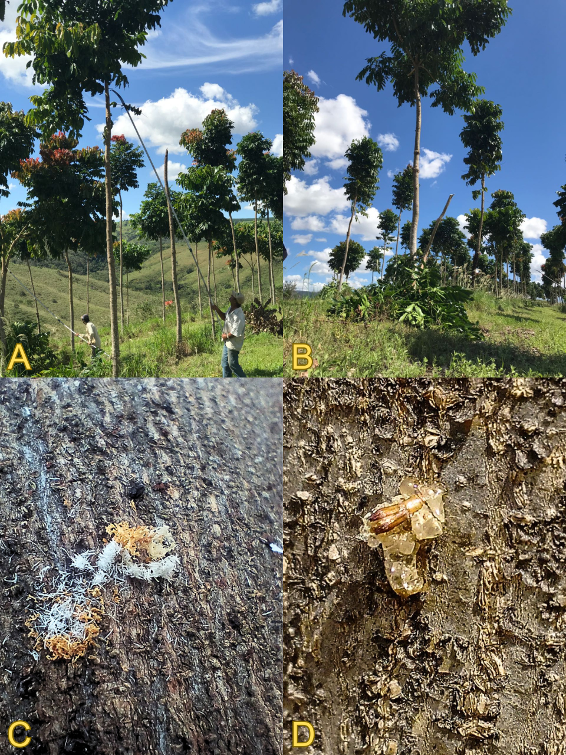
Figure S1 Khaya grandifoliola plantation in São Roque de Minas, Minas Gerais. A and B – pruned slash-retention plot; C – ambrosia beetle entry hole with frass; D – gum exudate from Euplatypus parallelus hole.

